111
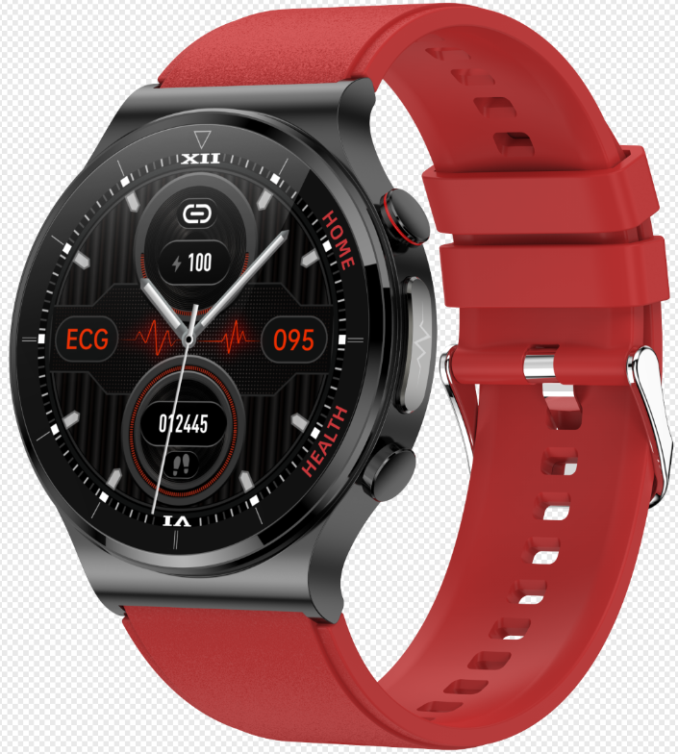
MW30/E300 Specifications
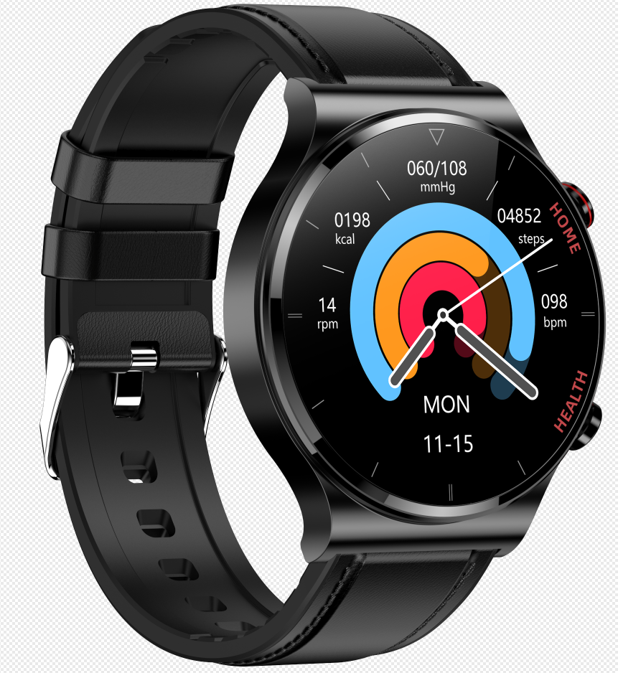 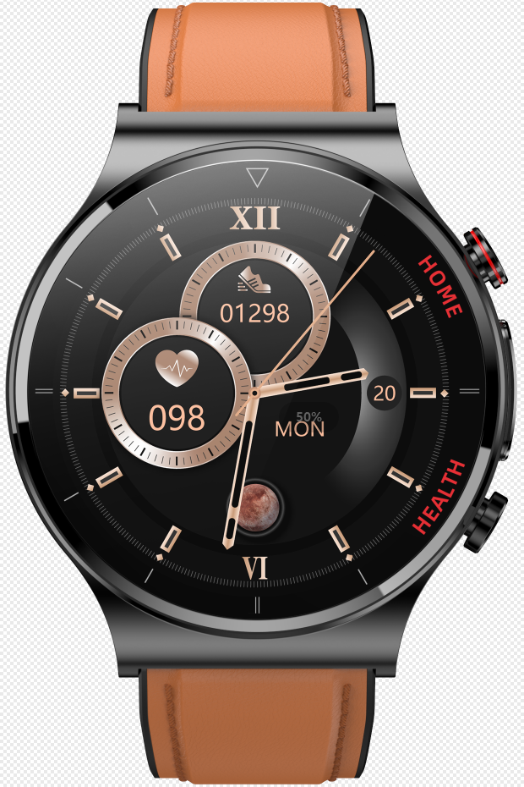 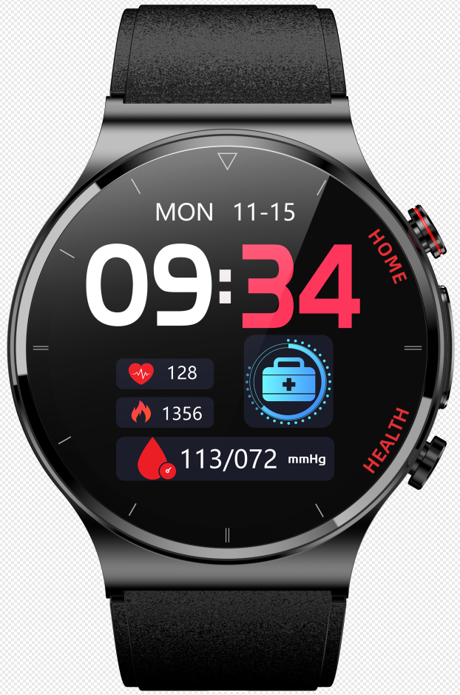
Catalog | Product Parameter
 | Function points | Double probe laser health physiotherapy, ecg, body temperature monitoring and early warning, independent accurate blood oxygen, AI medical diagnosis, respiratory rate, heart rate monitoring, blood pressure monitoring, remote relatives and friends love, 1.32 -inch 360 * 360 full contact full screen, metal alloy enclosure, heart rate, blood pressure monitoring, blood oxygen monitoring, movement patterns, movement patterns, movement record.Sleep monitoring, phone calls and text alerts.
 | Master Chip | Ultralow power Realtek 8762DW
 | Blood oxygen | OSRAM (OSRAM) 2703+AFEHX3690 combination
 | Temperature sensor | CT1711 array
 | ECG chip | Ti chip 129
 | PPG chip | OSRAM (osram) 2703
 | Laser | Double probe 650nm laser
 | Virbation | Mute/vibrate
 | Waterpfoof Level | IP68
 | Compatible System | Android 4.4 and above，iOS 8.2 and above
 | Special Features | Optimize hyperglycemia, hypertension, hyperlipidemia, independent and accurate blood oxygen, body temperature, electrocardiogram, respiration rate, blood pressure, heart rate, blood oxygen, AI medical diagnosis, remote care of relatives and friends.
 | Care Functions | Home sharing real-time data
 | Main Feature | Laser assisted treatment of hypertension, hyperlipidemia and hyperglycemia, ultra-low power Realtek 8762DW+1.32 inch high resolution 360*360 screen, ECG function, AI medical diagnosis, body temperature monitoring, blood oxygen monitoring, respiration rate. Function: counting steps/calories/distance, Multi-sports mode. Heart rate monitoring, blood pressure monitoring, sleep monitoring and other health functions. Remote relatives and friends care function Environment-friendly TPU/ leather strap, hand-attached, non-sensitive to wear. Wearable hardware+smart APP+ big data cloud service Wear it with you, control, display and record data through the APP. Long battery life standby. Multi-dial switching
 | Other Functions | Step counting, calories, distance, sleep monitoring, exercise patterns,Call reminder, alarm clock reminder, raise your hand and brighten the screen, and share socially(WeChat, QQ, Facebook, Twitter), etc. Shake and take pictures
Screen | Screen Size | 1.32-inch high-resolution 360*360 screen
 | Screen Type | IPS HD TFT
Connect Parameter | BLuetooth | 5.0BLE (low power consumption)
Other Parameter | Battery Type | High density li-polymer
 | Battery Capcaity | 280mAh
 | Charging Type | Magnetic charger
 | Charging Time | About 3-4H
 | Endurance Time | Use for 5-9 days and standby for 30-40 days.(Data from factory laboratory, may vary with personal environment, process)
 | Manipulation Mode | Full screen touch control, mobile APP control
 | Language | Bracelet languages: Chinese, English, Traditional, Japanese, French, German, Italy, Spain, Russia, Portugal, Malay, Korean and Poland APP languages: Chinese, Traditional, English, Japanese, German, Russian, Italian, French, Spanish, Portuguese, Thai, Czech, Greek, Polish, Vietnamese, Turkish, Romanian, Hungarian, Danish, Finnish, Arabic, Ukrainian, Hebrew, Persian, Irish, etc
 | Material | Enclosure: metal alloy+stainless steel Bottom shell: PC+ABS+ medical 316 steel strap: environmental protection TPU leather strap
 | Color | 5 color schemes (TPU black/red/blue, leather black, leather brown)
Packing | Packing | Watch, charging cable, instruction manual, packing box
 | Bracelet size | Watch, charging cable, instruction manual, packing box
 | Box Szie | Carton size: 625*405*160MM (length, width and height) /50 boxes Gift box size: 195*120*28MM

