规格书
体温心电手环 规格书 Specifications
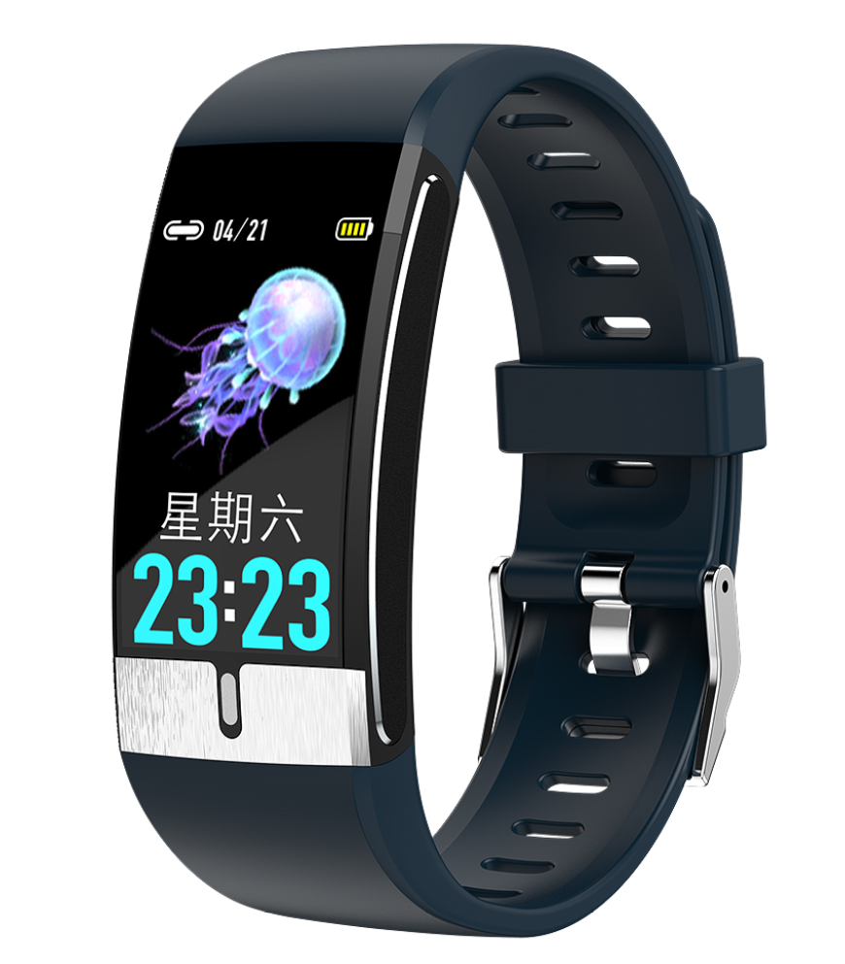 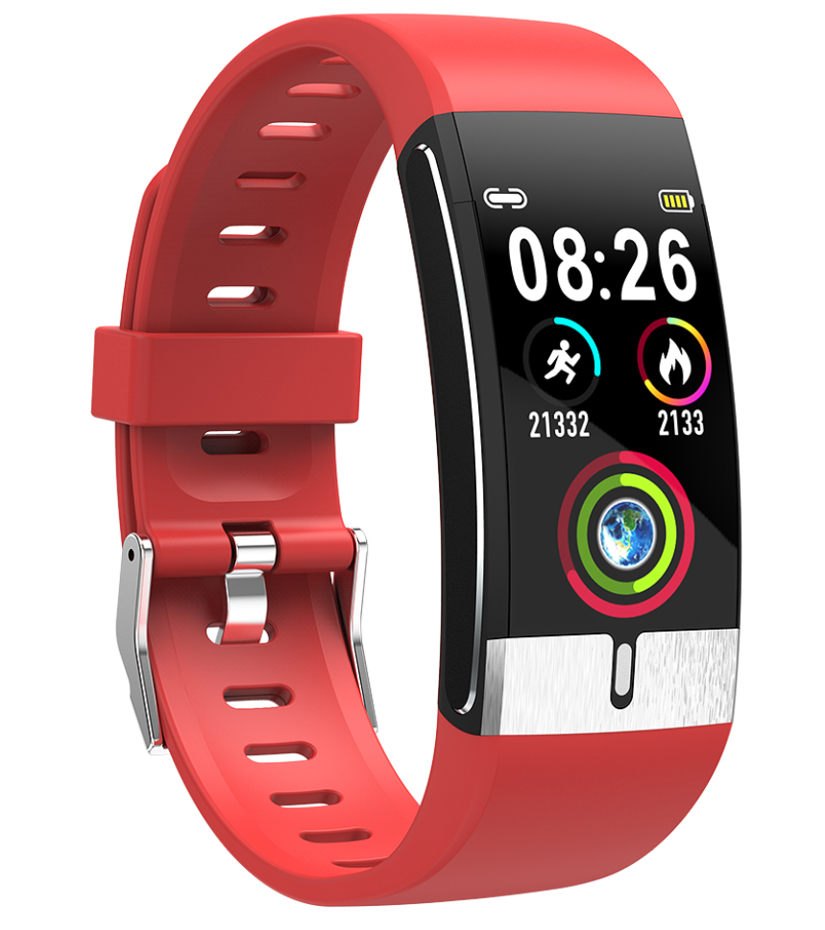 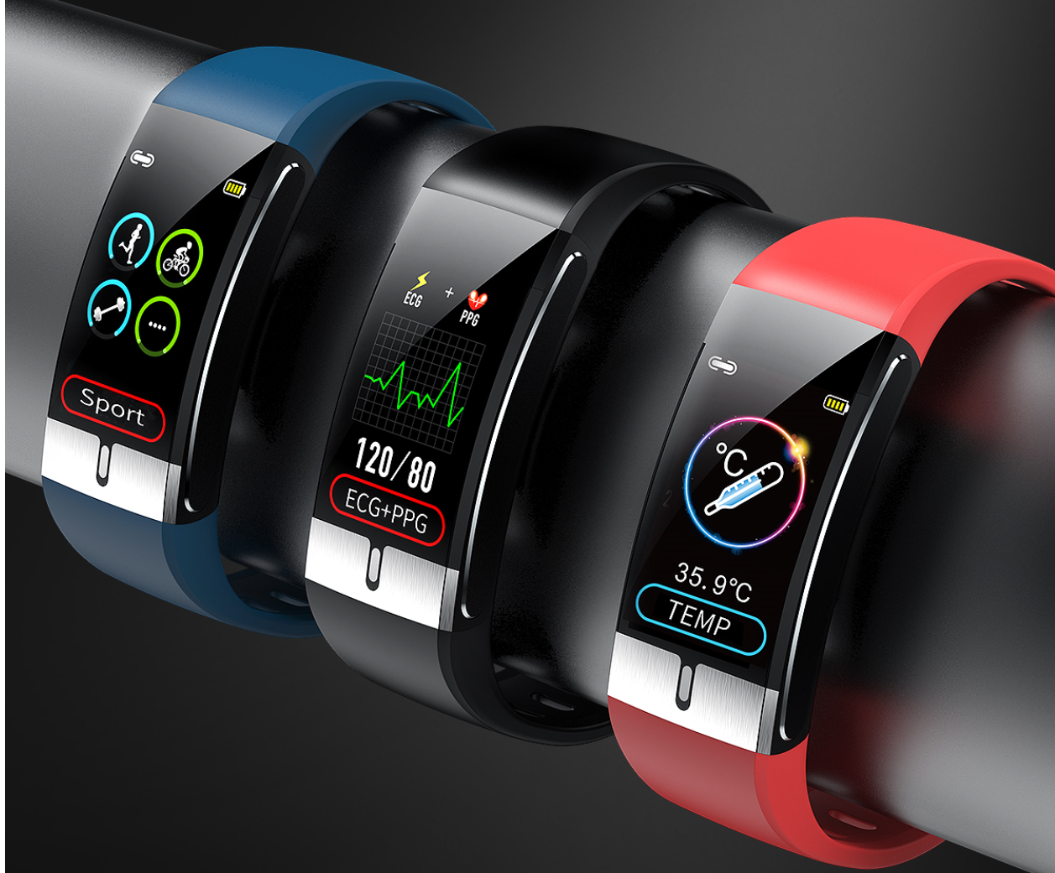
Catalog | Product Parameter
 | Master Chip | NRF52832
 | ECG | Ti129
 | PPG chip | Silicon labs
 | Virbation | Loundspeaker Mute/Vibration
 | Waterpfoof Level | IP68
 | Compatible System | Android 4.4 and above，iOS 8.2 and above
 | Special Features | Body temperature, ECG, blood pressure, blood oxygen, multi exercise mode， Health care function
 | Main Feature | Temperature monitoring function, ECG function Health monitoring of heart rate, blood pressure and blood oxygen Environmental protection TPU strap, no sense of wearing. HD resolution 1.08 color screen, dynamic and simple UI interface. Multi Sport mode (running, cycling, swimming, badminton). Sleep monitoring. Global font content push, Turn over the wrist and light up the screen automatically USB plug and play charging (without data cable)
 | Other Functions | Body fat, step counting, calories, distance, sleep monitoring, exercise patterns, caller alerts, alarm clock alerts, hand-up display, social sharing (Wechat, , Facebook, Twitter, etc.) Shake the picture, sit for a long time to remind, look for.
Screen | Screen Size | 1.08 Color screen
 | Screen Type | TFT
Connect Parameter | BLuetooth | 4.0 BLE（Low power）
Other Parameter | Battery Type | Polymeter Lithium Battery
 | Battery Capcaity | 105mAh
 | Charging Type | USB
 | Charging Time | About 2 hours
 | Endurance Time | Can use 5-10days、Standby Day: 20-30days
 | Manipulation Mode | Touch operation, mobile app control
 | Language | App language, ten languages, Chinese, English, traditional, Japanese, German, Spanish, French, Italian, Thai, Russian Firmware language: Chinese, English, traditional, Japanese, French, German, Italy, Spain, Russia, Portugal, Malaysia, Korean, Poland
 | Material | Front Shell: PC, Face Shell Electrode: Powder Metallurgy, Back Shell: Plastic Injection Molded 316 Stainless Steel, Wristband: Environmental TPU
 | Color | Black, blue, red,
Packing | Packing | Rings, instructions, packing boxes, certificates
 | weight | The bare machine weighs 24G and the whole machine weighs 107g.
 | Box Szie | 26*2.3 *1.1cm( L*W*Thickness)

